LIGHT
EY OFFICES (ISLAMABAD) - LIGHTING SCHEDULE A
CODE | LOCATION |  | CATEGORY | ITEM | REFERENCE IMAGE | ElekEn Recommendation
 | Floor | Area
A | 9,10,11,12,13 | General: False Ceiling | Ambient | Recessed Lights | 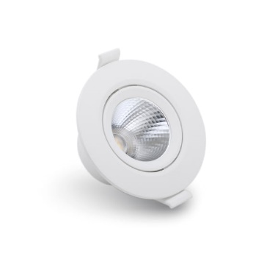 | 10
B | 9,10,11,12,13 | General: Exposed Ceiling | Ambient | Surface Mounted Lights: Cylindrical |  | 15
C | 9,10,11,12,13 | Team Rooms | Task | Surface Mounted Lights: Cylindrical |  | 15
D | 9,10,11,12,13 | Hubs | Ambient | Surface Mounted Lights: Cylindrical |  | 15
E | 9,10,11,12,13 | Individual Work Points | Task | Pendant Light |  | 15
F | 9,10,11,12,14 | JIT | Task | Fancy Pendant Light: Spherical with Acoustic Panels |  | 15
G | 9,10,11,12,13 | Team Rooms | Task | Pendant Light |  | 15
H | 12,13 | Hub, Informal Collab | Decorative | Pendant Light |  | 15
J | 12 | large Hub | Decorative | Pendant Light |  | 15
K | 9,12 | Reception | Decorative | Pendant Light |  | 2x10
L | 9,10,11,12,13 | Work Hall | Task | Pendant Light: Linear | 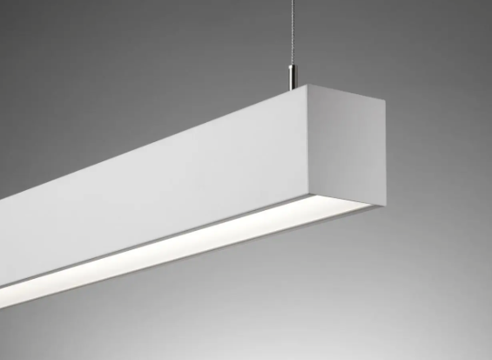 | 36W/4'
M | 9,10,11,13 | Community Tables | Task | Pendant Light: Acoustic Linear |  | 36W/4'
N | 9,10,11,12,13 | General: False Ceiling | Ambient | LED: Neon Flex |  | 8W/METER
V | 9,10,11,12,13 | JIT ROOMS |  | TASK LIGHT |  | 18W
P | 9,10,11,12,13 | General: False Ceiling |  |  |  | 15W
Q | 9,10,11,12,13 | FCR |  |  |  | 36W
R | 9,10,11,12,13 | DATA ROOMS |  |  |  | 2 X 36W
TOTAL LOAD (KW)

 |  |  |  |  |  |  | F

